Seeds Satchet
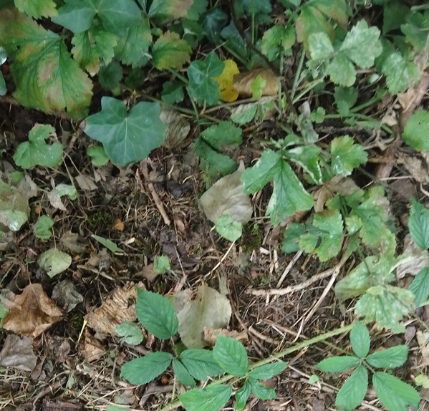
 | Existing Plantsting (s) | Predicted Plant (s) | Predicted Plant (s)2 | Predicted Plant 3(S)
 | 3117330.0266 | 19958400 | 19958400
 | 1470590.9086 | 7257600 | 12096000
 | 2513941.0909 | 2513941.0909 | 2513941.0909 | 2513941.0909
 |  | 0 | 0 | 0

Compucalc Solution
Task | TimeScale (Months) | Existing Plantsting (s) | Predicted Plant (s) | Predicted Plant (s)2 | Predicted Plant 3(S) | https://3cfv.jimdofree.com
Incubation | 2 | 3117330.0266 | 19958400 | 19958400 |  | Request your file now to predict crop growth
Harvest | 4 | 1470590.9086 | 7257600 | 12096000 |  | E: solomon.ubani3@mail.dcu.ie
Plant | 6 | 2513941.0909 | 2513941.0909 | 2513941.0909 | 2513941.0909 | Sample Values have been filled in for guide. Please feel free to put your crops counting from July 31st
Reap | 8 |  | None | None | None
In the row farmer it was not suitable. But for gardner such as freelance a trade was suitable.
CuisesLe Plant Database
Features | Plant Specie 1 | Plant Specie 2 | Plant Specie 3 | Plant Specie 4 | Plant Specie 5 | Plant Specie 6 | Plant Specie 7
Number of Seeds in Stachet
Number of Seeds Planted
Farming Category | None | None | None | None | None | None | None
SME Company Uses | None | None | None | None | None | None | None
Farmer Uses | None | None | None | None | None | None | None
Gardener Uses | For letter pads | None | None | None | None | None | None
ROI |  | None | None | None | None | None | None
Scenarios | None | None | None | None | None | None | None
Credit Application | None | None | None | None | None | None | None
Skills for SME Companie | None | None | None | None | None | None | None
Skills for Farmers | None | None | None | None | None | None | None
Skills for Gardeners | For regional economics | None | None | None | None | None | None
Skills | In genetics | None | None | None | None | None | None
Legal Matters | For national law | For national law | None | None | None | None | None
Sales | For advertising by means of coupons | None | None | None | None | None | None
Tractors | None | None | None | None | None | None | None
Lease | None | None | None | None | None | None | None
Facilities | None | None | None | None | None | None | None
Seeds Amenities | None | None | None | None | None | None | None
Sales Amenities | None | None | None | None | None | None | None
Procurement | For transport | None | None | None | None | None | None
Livestock | For disinfection | None | None | None | None | None | None
Market Amenities | None | None | None | None | None | None | None
IT | Multimedia | None | None | None | None | None | None
Seed Development | None | None | None | None | None | None | None
Nutrient | None | None | None | None | None | None | None
Size of Company | Rooms: | None | None | None | None | None | None
Number of Working Times | None | None | None | None | None | None | None
Improvements | None | None | None | None | None | None | None
Shipping | None | None | None | None | None | None | None
Farming Season | None | None | None | None | None | None | None
Customers | None | None | None | None | None | None | None
Export | Realtime | None | None | None | None | None | None
Store | Refractory | None | None | None | None | None | None
Supplies | Noncast | None | None | None | None | None | None
Seed Land | None | None | None | None | None | None | None
Procedure | Dieselpowered | None | None | None | None | None | None
Technical Skills | None | None | None | None | None | None | None
Non-Technical Skills | For security system | None | None | None | None | None | None
Products | None | None | None | None | None | None | None
Disposal | None | None | None | None | None | None | None
Company Scale | None | None | None | None | None | None | None

